Title
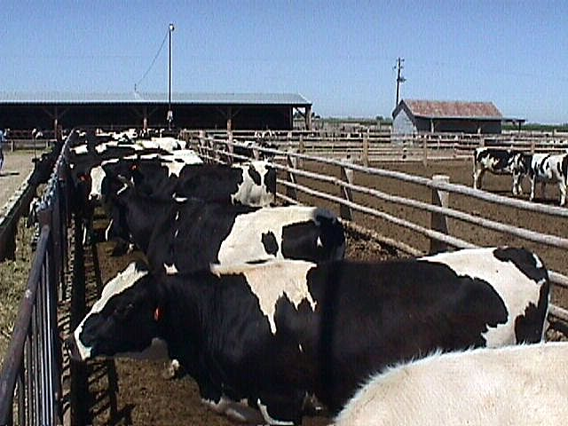

 |  | EBB-D5-10 Costs and Returns for a 5000-Head Open Lot Dairy
 |  | in Southern Idaho

 |  | Kathleen Painter
 |  | and
 |  | C. Wilson Gray1

Budget spreadsheets are available at the following link:
 | http://www.cals.uidaho.edu/aers/r_livestock.htm

1Authors are an analyst and a livestock Extension specialist, respectively, with the
Department of Ag. Econ. & Rural Sociology, University of Idaho.
kpainter@uidaho.edu |  | (208) 885-6041 | Moscow, ID
wgray@uidaho.edu |  | (208) 736-3622 | Twin Falls, ID

